Jockey
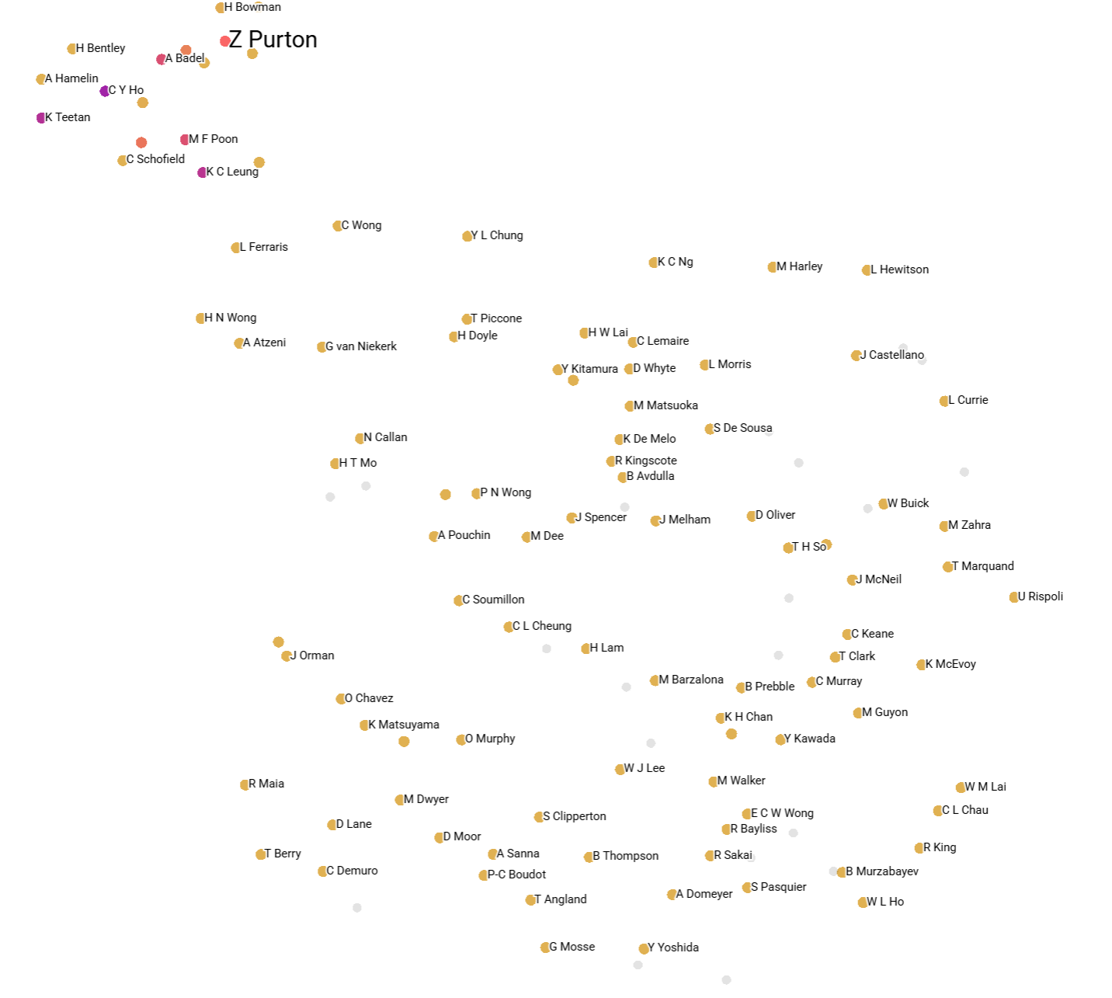
https://projector.tensorflow.org/

Relative to Z Purton

Jockey | Cos Sim
C Y Ho | 0.057 | 0.943
K Teetan | 0.116 | 0.884
K C Leung | 0.134 | 0.866
A Badel | 0.236 | 0.764
M F Poon | 0.241 | 0.759
M L Yeung | 0.382 | 0.618
J Moreira | 0.429 | 0.571
H Bowman | 0.583 | 0.417
M Chadwick | 0.588 | 0.412
C Schofield | 0.665 | 0.335
L Ferraris | 0.714 | 0.286
J McDonald | 0.719 | 0.281
V Borges | 0.735 | 0.265
A Hamelin | 0.737 | 0.263
H Bentley | 0.741 | 0.259
B Shinn | 0.758 | 0.242
R Moore | 0.761 | 0.239
C L Chau | 0.771 | 0.229
N Callan | 0.772 | 0.228
K H Chan | 0.782 | 0.218
Y L Chung | 0.793 | 0.207
C Wong | 0.816 | 0.184
C Soumillon | 0.838 | 0.162
H N Wong | 0.856 | 0.144
L Hewitson | 0.86 | 0.14
B Avdulla | 0.869 | 0.131
H W Lai | 0.875 | 0.125
A Sanna | 0.876 | 0.124
T Piccone | 0.877 | 0.123
G van Niekerk | 0.888 | 0.112
R Maia | 0.889 | 0.111
E C W Wong | 0.892 | 0.108
A Atzeni | 0.897 | 0.103
H T Mo | 0.905 | 0.095
C Murray | 0.916 | 0.084

Horse
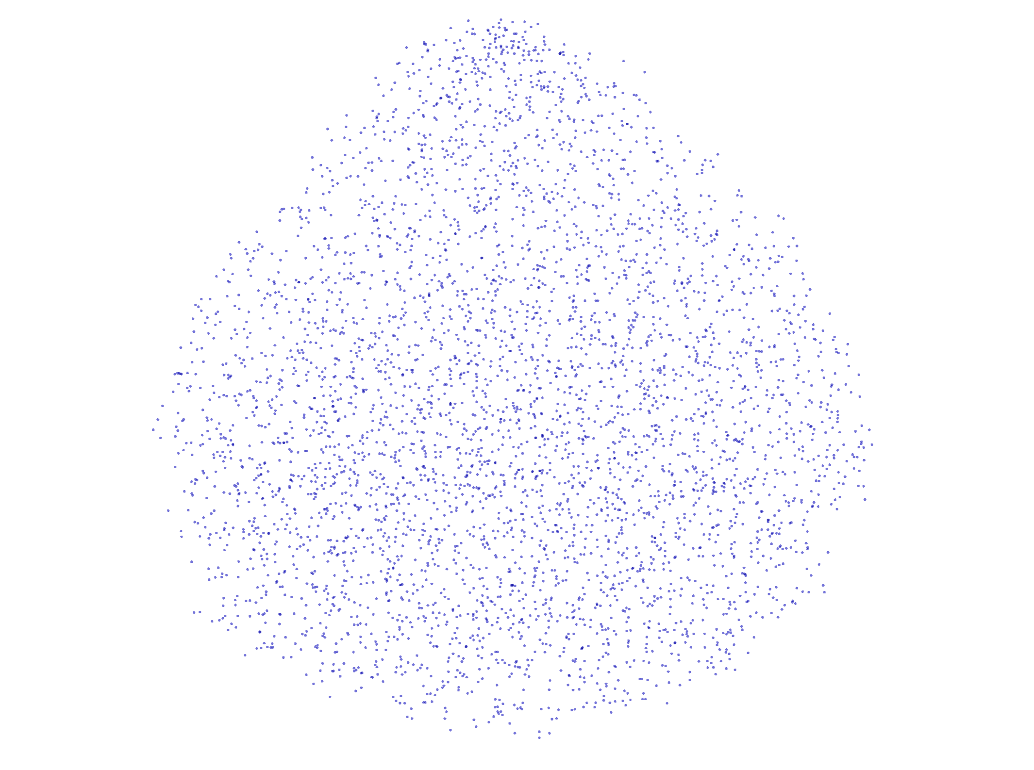
Invicible Missile

Horse | Cos Sim
MY INTELLIGENT | 0.355
ARIEL | 0.401
JUMBO FORTUNE | 0.436
TOTAL POWER | 0.448
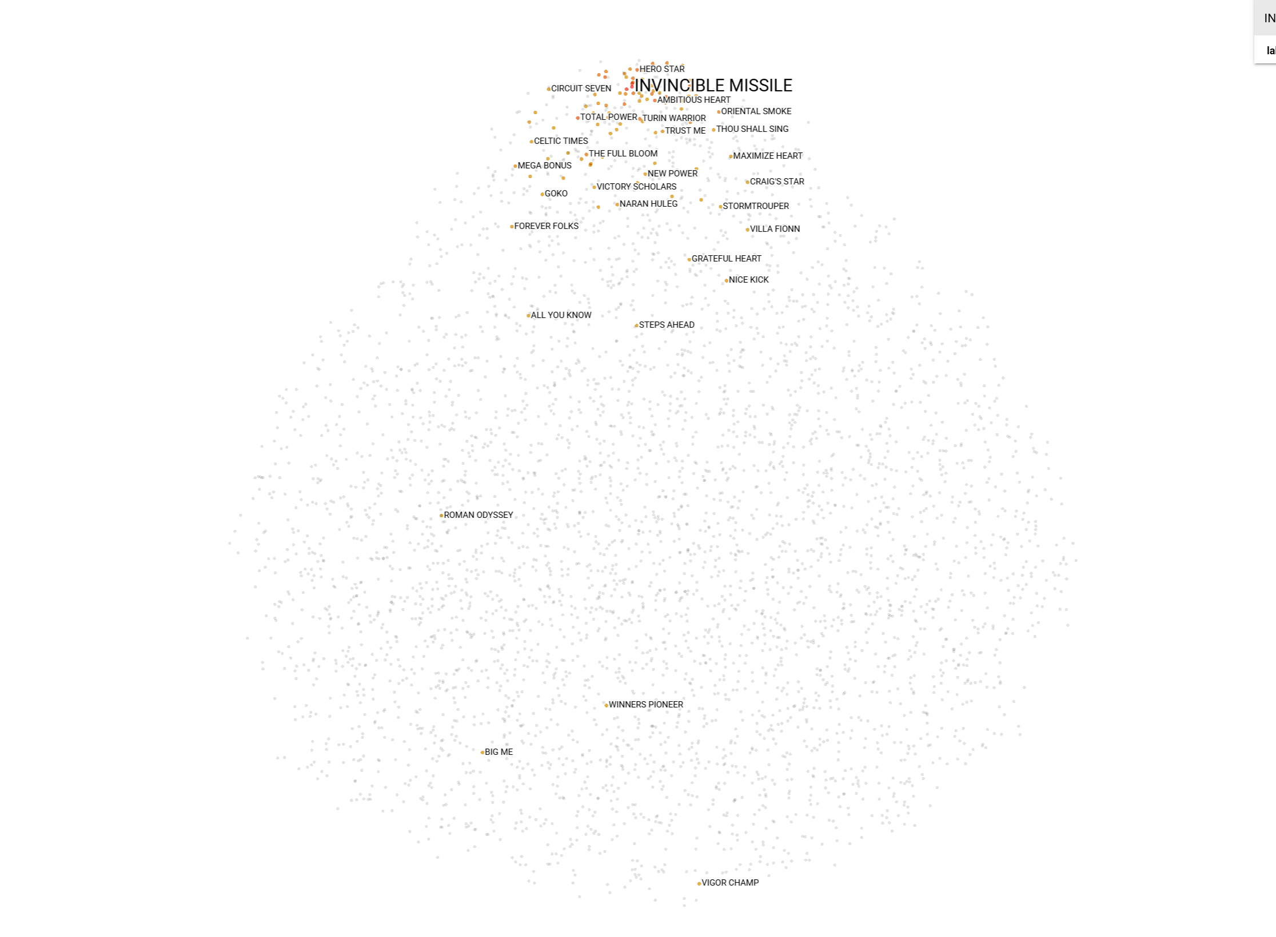
HERO STAR | 0.455
AMBITIOUS HEART | 0.456
RIGHTEOUS DOCTRINE | 0.466
RED MAJESTY | 0.467
COPARTNER ERA | 0.474
TOP SCORE | 0.482
GOLDEN EMPIRE | 0.485
OWNERS' STAR | 0.493
STAR SHINE | 0.497
WOOD ON FIRE | 0.499
TURIN WARRIOR | 0.502
EIGHT TRIGRAMS | 0.507
SNOWALOT | 0.508
HERCULES | 0.513
SPEED FORCE | 0.514
THE FULL BLOOM | 0.522
FUN N GLORY | 0.527
TAKINGUFURTHER | 0.529
LESLIE | 0.534
MAGIC SUPREME | 0.54
ORIENTAL SMOKE | 0.54
SERGEANT PEPPER | 0.544
HAPPY TANGO | 0.549
DRAGON STAR | 0.555
DOLLAR REWARD | 0.555
GLUCK RACER | 0.558
ALLOY KING | 0.561
CLASSIC UNICORN | 0.564
TRUST ME | 0.564
THUNDER STOMP | 0.566
MEGA BONUS | 0.569

Feature Importances
Feature | Importance | Rank
H_Emb_25 | 5.2857046127 |  |  |  |  |  |  |  |  | Top 20 Features
H_UMAP_5 | 5.225353241
H_Emb_24 | 5.3210673332 |  | Row Labels | Average of Importance | Row Labels | Count of Importance |  | Feature | Avg Importance | Feature | Avg Importance
J_UMAP_0 | 5.8855061531 |  | H_Emb_0 | 5.2533917427 | H_Emb_0 | 12 |  | Placing_TR2 | 16.810447613 | Placing_TR2 | 16.81
H_Emb_46 | 5.8590927124 |  | H_Emb_1 | 6.1842226982 | H_Emb_1 | 12 |  | Placing_TR1 | 15.411882003 | Placing_TR1 | 15.41
H_Emb_15 | 5.4447960854 |  | H_Emb_10 | 5.8389501572 | H_Emb_10 | 12 |  | Placing_TR3 | 8.4940561454 | Placing_TR3 | 8.49
J_UMAP_1 | 9.5360136032 |  | H_Emb_11 | 5.5926985343 | H_Emb_11 | 12 |  | Placing_TR4 | 8.1773843765 | Placing_TR4 | 8.18
H_UMAP_2 | 5.3413362503 |  | H_Emb_12 | 5.5988897085 | H_Emb_12 | 12 |  | Placing_TR10 | 7.6226560275 | Placing_TR10 | 7.62
J_UMAP_8 | 9.4349050522 |  | H_Emb_13 | 5.5817715724 | H_Emb_13 | 12 |  | J_UMAP_9 | 7.4823880792 | J_UMAP_9 | 7.48
Placing_TR2 | 16.256317139 |  | H_Emb_14 | 5.8040747245 | H_Emb_14 | 12 |  | J_UMAP_3 | 7.0589906375 | J_UMAP_3 | 7.06
H_UMAP_3 | 5.7438526154 |  | H_Emb_15 | 5.3689666192 | H_Emb_15 | 12 |  | J_UMAP_6 | 6.7699452639 | J_UMAP_6 | 6.77
H_Emb_42 | 5.1836023331 |  | H_Emb_16 | 5.7288609743 | H_Emb_16 | 12 |  | J_UMAP_7 | 6.4158622026 | J_UMAP_7 | 6.42
H_Emb_0 | 5.3768658638 |  | H_Emb_17 | 5.8496138255 | H_Emb_17 | 12 |  | Placing_TR9 | 6.3810867866 | Placing_TR9 | 6.38
H_Emb_39 | 5.3486409187 |  | H_Emb_18 | 5.6816574335 | H_Emb_18 | 12 |  | H_Emb_1 | 6.1842226982 | H_Emb_1 | 6.18
H_Emb_2 | 6.1308851242 |  | H_Emb_19 | 5.8075717688 | H_Emb_19 | 12 |  | Placing_TR5 | 6.1672414144 | Placing_TR5 | 6.17
H_Emb_45 | 5.6127634048 |  | H_Emb_2 | 5.7145694494 | H_Emb_2 | 12 |  | H_Emb_39 | 6.0359987418 | H_Emb_39 | 6.04
H_Emb_8 | 5.9766125679 |  | H_Emb_20 | 5.699723204 | H_Emb_20 | 12 |  | J_UMAP_1 | 5.9957196712 | J_UMAP_1 | 6.00
H_Emb_41 | 6.0040636063 |  | H_Emb_21 | 5.4142888784 | H_Emb_21 | 12 |  | J_UMAP_4 | 5.9815737009 | J_UMAP_4 | 5.98
H_Emb_7 | 7.1885094643 |  | H_Emb_22 | 5.6098847389 | H_Emb_22 | 12 |  | H_Emb_33 | 5.9611370961 | H_Emb_33 | 5.96
H_Emb_31 | 5.9384241104 |  | H_Emb_23 | 5.8447717428 | H_Emb_23 | 12 |  | H_Emb_48 | 5.9231558641 | H_Emb_48 | 5.92
Placing_TR7 | 6.1926231384 |  | H_Emb_24 | 5.3915440241 | H_Emb_24 | 12 |  | H_Emb_44 | 5.8999720414 | H_Emb_44 | 5.90
H_Emb_37 | 5.2520451546 |  | H_Emb_25 | 5.3553958734 | H_Emb_25 | 12 |  | H_Emb_17 | 5.8496138255 | H_Emb_17 | 5.85
H_Emb_14 | 6.2582182884 |  | H_Emb_26 | 5.5307712158 | H_Emb_26 | 12 | 1 | H_Emb_23 | 5.8447717428 | H_Emb_23 | 5.84
H_Emb_26 | 5.7381687164 |  | H_Emb_27 | 5.6967367331 | H_Emb_27 | 12 |  | H_Emb_10 | 5.8389501572
H_Emb_48 | 5.1967821121 |  | H_Emb_28 | 5.644001166 | H_Emb_28 | 12 |  | J_UMAP_5 | 5.8085447947
H_UMAP_1 | 5.3209710121 |  | H_Emb_29 | 5.7568209569 | H_Emb_29 | 12 |  | H_Emb_19 | 5.8075717688
H_Emb_11 | 6.1728448868 |  | H_Emb_3 | 5.7473431428 | H_Emb_3 | 12 |  | H_Emb_14 | 5.8040747245
H_Emb_13 | 5.3990058899 |  | H_Emb_30 | 5.6400491794 | H_Emb_30 | 12 |  | H_Emb_36 | 5.7906122208
H_Emb_49 | 5.5596575737 |  | H_Emb_31 | 5.497510314 | H_Emb_31 | 12 |  | H_Emb_7 | 5.7901917696
H_Emb_38 | 5.1698160172 |  | H_Emb_32 | 5.7630107005 | H_Emb_32 | 12 |  | H_Emb_32 | 5.7630107005
Placing_TR8 | 4.4292182922 |  | H_Emb_33 | 5.9611370961 | H_Emb_33 | 12 |  | Placing_TR6 | 5.7614008586
H_Emb_47 | 6.0404353142 |  | H_Emb_34 | 5.4009506305 | H_Emb_34 | 12 |  | H_Emb_29 | 5.7568209569
H_UMAP_7 | 4.892970562 |  | H_Emb_35 | 5.6753190358 | H_Emb_35 | 12 |  | H_Emb_3 | 5.7473431428
H_Emb_36 | 6.1106653214 |  | H_Emb_36 | 5.7906122208 | H_Emb_36 | 12 |  | H_Emb_43 | 5.7472040256
H_Emb_40 | 5.8349647522 |  | H_Emb_37 | 5.5095313787 | H_Emb_37 | 12 |  | H_UMAP_8 | 5.7381275495
H_Emb_22 | 5.4039335251 |  | H_Emb_38 | 5.6740477482 | H_Emb_38 | 12 |  | H_Emb_47 | 5.7374907732
Placing_TR10 | 6.9981265068 |  | H_Emb_39 | 6.0359987418 | H_Emb_39 | 12 |  | H_Emb_16 | 5.7288609743
Placing_TR1 | 20.710323334 |  | H_Emb_4 | 5.3614594539 | H_Emb_4 | 12 |  | H_Emb_8 | 5.7201946974
H_Emb_9 | 5.1820192337 |  | H_Emb_40 | 5.6680112282 | H_Emb_40 | 12 |  | H_Emb_2 | 5.7145694494
Placing_TR9 | 7.2238254547 |  | H_Emb_41 | 5.62479647 | H_Emb_41 | 12 |  | H_Emb_20 | 5.699723204
J_UMAP_2 | 5.2796430588 |  | H_Emb_42 | 5.5692704121 | H_Emb_42 | 12 |  | H_Emb_45 | 5.6993235747
H_Emb_30 | 5.9984583855 |  | H_Emb_43 | 5.7472040256 | H_Emb_43 | 12 |  | H_Emb_27 | 5.6967367331
H_Emb_3 | 5.1381630898 |  | H_Emb_44 | 5.8999720414 | H_Emb_44 | 12 |  | J_UMAP_8 | 5.6841775775
H_Emb_17 | 5.8329057693 |  | H_Emb_45 | 5.6993235747 | H_Emb_45 | 12 |  | H_Emb_18 | 5.6816574335
H_Emb_20 | 5.6212315559 |  | H_Emb_46 | 5.3306265275 | H_Emb_46 | 12 |  | H_Emb_35 | 5.6753190358
H_Emb_4 | 5.5178098679 |  | H_Emb_47 | 5.7374907732 | H_Emb_47 | 12 |  | H_Emb_38 | 5.6740477482
H_Emb_16 | 6.0482401848 |  | H_Emb_48 | 5.9231558641 | H_Emb_48 | 12 |  | H_Emb_40 | 5.6680112282
H_Emb_28 | 6.1300253868 |  | H_Emb_49 | 5.5617749294 | H_Emb_49 | 12 |  | H_Emb_28 | 5.644001166
H_Emb_5 | 5.9306211472 |  | H_Emb_5 | 5.5978665749 | H_Emb_5 | 12 |  | H_Emb_30 | 5.6400491794
H_Emb_23 | 5.7372694016 |  | H_Emb_6 | 5.620188276 | H_Emb_6 | 12 |  | H_Emb_41 | 5.62479647
H_Emb_21 | 5.6517887115 |  | H_Emb_7 | 5.7901917696 | H_Emb_7 | 12 |  | H_Emb_6 | 5.620188276
H_Emb_35 | 5.5653991699 |  | H_Emb_8 | 5.7201946974 | H_Emb_8 | 12 |  | H_UMAP_6 | 5.6109431982
H_Emb_1 | 6.2746210098 |  | H_Emb_9 | 5.6064097881 | H_Emb_9 | 12 |  | H_Emb_22 | 5.6098847389
J_UMAP_7 | 6.3469510078 |  | H_UMAP_0 | 5.3118465741 | H_UMAP_0 | 12 |  | H_Emb_9 | 5.6064097881
H_Emb_33 | 6.1812648773 |  | H_UMAP_1 | 5.4831755161 | H_UMAP_1 | 12 |  | H_Emb_12 | 5.5988897085
H_Emb_12 | 5.1658277512 |  | H_UMAP_2 | 5.4056194226 | H_UMAP_2 | 12 |  | H_Emb_5 | 5.5978665749
Placing_TR5 | 4.9230484962 |  | H_UMAP_3 | 5.1877218485 | H_UMAP_3 | 12 |  | H_Emb_11 | 5.5926985343
H_Emb_19 | 5.6653552055 |  | H_UMAP_4 | 5.5845535199 | H_UMAP_4 | 12 |  | H_UMAP_4 | 5.5845535199
H_Emb_43 | 5.6922369003 |  | H_UMAP_5 | 5.2629690568 | H_UMAP_5 | 12 |  | H_Emb_13 | 5.5817715724
H_UMAP_8 | 5.5045952797 |  | H_UMAP_6 | 5.6109431982 | H_UMAP_6 | 12 |  | H_Emb_42 | 5.5692704121
J_UMAP_4 | 4.4141750336 |  | H_UMAP_7 | 5.2762410641 | H_UMAP_7 | 12 |  | H_Emb_49 | 5.5617749294
H_Emb_34 | 5.2395563126 |  | H_UMAP_8 | 5.7381275495 | H_UMAP_8 | 12 |  | H_Emb_26 | 5.5307712158
J_UMAP_3 | 5.8716192245 |  | H_UMAP_9 | 5.2641737461 | H_UMAP_9 | 12 |  | H_Emb_37 | 5.5095313787
H_UMAP_9 | 4.8588089943 |  | J_UMAP_0 | 5.4169589678 | J_UMAP_0 | 12 |  | H_Emb_31 | 5.497510314
Placing_TR3 | 5.4639401436 |  | J_UMAP_1 | 5.9957196712 | J_UMAP_1 | 12 |  | H_UMAP_1 | 5.4831755161
H_Emb_6 | 5.9508452415 |  | J_UMAP_2 | 5.2720335722 | J_UMAP_2 | 12 |  | J_UMAP_0 | 5.4169589678
Placing_TR4 | 7.3456807137 |  | J_UMAP_3 | 7.0589906375 | J_UMAP_3 | 12 |  | H_Emb_21 | 5.4142888784
H_Emb_29 | 5.6035203934 |  | J_UMAP_4 | 5.9815737009 | J_UMAP_4 | 12 |  | H_UMAP_2 | 5.4056194226
J_UMAP_9 | 6.1212530136 |  | J_UMAP_5 | 5.8085447947 | J_UMAP_5 | 12 |  | H_Emb_34 | 5.4009506305
H_Emb_18 | 5.7139935493 |  | J_UMAP_6 | 6.7699452639 | J_UMAP_6 | 12 |  | H_Emb_24 | 5.3915440241
J_UMAP_5 | 4.7721095085 |  | J_UMAP_7 | 6.4158622026 | J_UMAP_7 | 12 |  | H_Emb_15 | 5.3689666192
H_Emb_44 | 6.2430911064 |  | J_UMAP_8 | 5.6841775775 | J_UMAP_8 | 12 |  | H_Emb_4 | 5.3614594539
H_UMAP_6 | 6.5765247345 |  | J_UMAP_9 | 7.4823880792 | J_UMAP_9 | 12 |  | H_Emb_25 | 5.3553958734
Placing_TR6 | 6.8970031738 |  | Placing_TR1 | 15.411882003 | Placing_TR1 | 12 |  | H_Emb_46 | 5.3306265275
H_Emb_10 | 5.4559626579 |  | Placing_TR10 | 7.6226560275 | Placing_TR10 | 12 |  | H_UMAP_0 | 5.3118465741
H_Emb_27 | 5.6108264923 |  | Placing_TR2 | 16.810447613 | Placing_TR2 | 12 |  | H_UMAP_7 | 5.2762410641
H_Emb_32 | 6.1115727425 |  | Placing_TR3 | 8.4940561454 | Placing_TR3 | 12 |  | J_UMAP_2 | 5.2720335722
J_UMAP_6 | 5.1128568649 |  | Placing_TR4 | 8.1773843765 | Placing_TR4 | 12 |  | H_UMAP_9 | 5.2641737461
H_UMAP_0 | 5.7478642464 |  | Placing_TR5 | 6.1672414144 | Placing_TR5 | 12 |  | H_UMAP_5 | 5.2629690568
H_UMAP_4 | 5.0681943893 |  | Placing_TR6 | 5.7614008586 | Placing_TR6 | 12 |  | H_Emb_0 | 5.2533917427
H_Emb_25 | 6.2006807327 |  | Placing_TR7 | 5.2391155561 | Placing_TR7 | 12 |  | Placing_TR7 | 5.2391155561
H_UMAP_5 | 5.2639865875 |  | Placing_TR8 | 4.8573187192 | Placing_TR8 | 12 |  | H_UMAP_3 | 5.1877218485
H_Emb_24 | 5.4083409309 |  | Placing_TR9 | 6.3810867866 | Placing_TR9 | 12 |  | Placing_TR8 | 4.8573187192
J_UMAP_0 | 7.1495437622 |  | (blank) |  | (blank)
H_Emb_46 | 5.7025675774 |  | Grand Total | 6.0504597475 | Grand Total | 960
H_Emb_15 | 5.1027212143
J_UMAP_1 | 5.8967738152
H_UMAP_2 | 4.5307321548
J_UMAP_8 | 5.4839711189
Placing_TR2 | 13.487930298
H_UMAP_3 | 5.4884762764
H_Emb_42 | 5.4949879646
H_Emb_0 | 4.8986244202
H_Emb_39 | 6.08842659
H_Emb_2 | 5.3563141823
H_Emb_45 | 4.9602718353
H_Emb_8 | 5.394217968
H_Emb_41 | 6.5596528053
H_Emb_7 | 4.8446516991
H_Emb_31 | 4.8930544853
Placing_TR7 | 4.6886363029
H_Emb_37 | 6.0647358894
H_Emb_14 | 5.6208891869
H_Emb_26 | 5.2935414314
H_Emb_48 | 6.1410307884
H_UMAP_1 | 5.6480231285
H_Emb_11 | 4.756456852
H_Emb_13 | 4.897726059
H_Emb_49 | 5.7381076813
H_Emb_38 | 5.0266909599
Placing_TR8 | 4.7854743004
H_Emb_47 | 5.598988533
H_UMAP_7 | 5.2379002571
H_Emb_36 | 5.2726178169
H_Emb_40 | 5.6926555634
H_Emb_22 | 5.7444047928
Placing_TR10 | 7.8979816437
Placing_TR1 | 22.276550293
H_Emb_9 | 5.235268116
Placing_TR9 | 6.6297097206
J_UMAP_2 | 8.134223938
H_Emb_30 | 5.500038147
H_Emb_3 | 5.8971962929
H_Emb_17 | 5.972867012
H_Emb_20 | 5.8788137436
H_Emb_4 | 4.703649044
H_Emb_16 | 5.9407448769
H_Emb_28 | 5.3503484726
H_Emb_5 | 5.3576712608
H_Emb_23 | 6.1377892494
H_Emb_21 | 5.4862508774
H_Emb_35 | 5.3055343628
H_Emb_1 | 6.4618387222
J_UMAP_7 | 10.088880539
H_Emb_33 | 5.3842244148
H_Emb_12 | 5.8478164673
Placing_TR5 | 4.603372097
H_Emb_19 | 6.3255405426
H_Emb_43 | 5.5842986107
H_UMAP_8 | 5.7039957047
J_UMAP_4 | 4.5384464264
H_Emb_34 | 5.6174263954
J_UMAP_3 | 4.147236824
H_UMAP_9 | 4.8062691689
Placing_TR3 | 4.9991207123
H_Emb_6 | 5.4512515068
Placing_TR4 | 9.1967554092
H_Emb_29 | 5.164814949
J_UMAP_9 | 5.9128279686
H_Emb_18 | 5.1253023148
J_UMAP_5 | 4.66558218
H_Emb_44 | 6.6143722534
H_UMAP_6 | 5.379989624
Placing_TR6 | 5.4506354332
H_Emb_10 | 5.8123583794
H_Emb_27 | 5.3935074806
H_Emb_32 | 5.3445501328
J_UMAP_6 | 4.9667825699
H_UMAP_0 | 5.0108571053
H_UMAP_4 | 5.9087061882
H_Emb_25 | 5.7876110077
H_UMAP_5 | 4.9017062187
H_Emb_24 | 5.5361061096
J_UMAP_0 | 4.8579916954
H_Emb_46 | 5.2706999779
H_Emb_15 | 5.1792550087
J_UMAP_1 | 4.9223036766
H_UMAP_2 | 4.8391871452
J_UMAP_8 | 3.998042345
Placing_TR2 | 19.37184906
H_UMAP_3 | 5.282907486
H_Emb_42 | 4.9572463036
H_Emb_0 | 5.4787373543
H_Emb_39 | 5.9857420921
H_Emb_2 | 5.5908193588
H_Emb_45 | 4.6324214935
H_Emb_8 | 5.4331178665
H_Emb_41 | 6.1430740356
H_Emb_7 | 5.0634059906
H_Emb_31 | 4.9541339874
Placing_TR7 | 4.9654254913
H_Emb_37 | 5.5210943222
H_Emb_14 | 6.1506376266
H_Emb_26 | 5.1428523064
H_Emb_48 | 5.4047384262
H_UMAP_1 | 5.3762478828
H_Emb_11 | 5.3900737762
H_Emb_13 | 5.5403137207
H_Emb_49 | 6.1095237732
H_Emb_38 | 4.6539692879
Placing_TR8 | 5.4843883514
H_Emb_47 | 6.5802083015
H_UMAP_7 | 5.3982281685
H_Emb_36 | 4.9246535301
H_Emb_40 | 5.4501571655
H_Emb_22 | 6.0624809265
Placing_TR10 | 8.685008049
Placing_TR1 | 18.462203979
H_Emb_9 | 5.7287387848
Placing_TR9 | 5.4628286362
J_UMAP_2 | 4.6014866829
H_Emb_30 | 5.3206262589
H_Emb_3 | 5.8327627182
H_Emb_17 | 5.1944012642
H_Emb_20 | 6.3726425171
H_Emb_4 | 5.1054830551
H_Emb_16 | 5.154756546
H_Emb_28 | 5.137992382
H_Emb_5 | 5.0180020332
H_Emb_23 | 6.0995836258
H_Emb_21 | 5.4853096008
H_Emb_35 | 4.9813365936
H_Emb_1 | 6.1403388977
J_UMAP_7 | 5.1931638718
H_Emb_33 | 5.9092535973
H_Emb_12 | 5.9905209541
Placing_TR5 | 5.2500553131
H_Emb_19 | 6.8704004288
H_Emb_43 | 5.7264790535
H_UMAP_8 | 5.8596367836
J_UMAP_4 | 4.4977731705
H_Emb_34 | 5.2222423553
J_UMAP_3 | 7.3295688629
H_UMAP_9 | 5.1929125786
Placing_TR3 | 4.8570718765
H_Emb_6 | 5.3909926414
Placing_TR4 | 6.7751498222
H_Emb_29 | 5.8577809334
J_UMAP_9 | 3.8253753185
H_Emb_18 | 5.5758237839
J_UMAP_5 | 4.8784909248
H_Emb_44 | 6.2815117836
H_UMAP_6 | 5.1556520462
Placing_TR6 | 6.3600568771
H_Emb_10 | 5.4983153343
H_Emb_27 | 5.2046890259
H_Emb_32 | 5.6388897896
J_UMAP_6 | 14.702776909
H_UMAP_0 | 4.9393372536
H_UMAP_4 | 5.6146559715
H_Emb_25 | 4.8261680603
H_UMAP_5 | 4.5997691154
H_Emb_24 | 5.070909977
J_UMAP_0 | 5.6781492233
H_Emb_46 | 5.3114080429
H_Emb_15 | 5.3774871826
J_UMAP_1 | 4.7029132843
H_UMAP_2 | 5.2772641182
J_UMAP_8 | 4.6095690727
Placing_TR2 | 18.00837326
H_UMAP_3 | 4.6993122101
H_Emb_42 | 5.2377638817
H_Emb_0 | 5.0301451683
H_Emb_39 | 6.1968812943
H_Emb_2 | 5.4096240997
H_Emb_45 | 5.6899232864
H_Emb_8 | 5.2493844032
H_Emb_41 | 5.0808143616
H_Emb_7 | 5.1215863228
H_Emb_31 | 5.7928681374
Placing_TR7 | 5.1644320488
H_Emb_37 | 5.3497982025
H_Emb_14 | 5.3626322746
H_Emb_26 | 4.8752784729
H_Emb_48 | 6.57421875
H_UMAP_1 | 5.6888179779
H_Emb_11 | 5.3530592918
H_Emb_13 | 4.9764380455
H_Emb_49 | 5.7090244293
H_Emb_38 | 5.9393796921
Placing_TR8 | 4.8763036728
H_Emb_47 | 5.3974766731
H_UMAP_7 | 5.0295314789
H_Emb_36 | 5.6381120682
H_Emb_40 | 5.7355942726
H_Emb_22 | 5.1380543709
Placing_TR10 | 7.2857503891
Placing_TR1 | 15.204385757
H_Emb_9 | 5.5738162994
Placing_TR9 | 6.1933841705
J_UMAP_2 | 4.4594335556
H_Emb_30 | 5.5011630058
H_Emb_3 | 5.0227560997
H_Emb_17 | 5.8316497803
H_Emb_20 | 5.0762562752
H_Emb_4 | 5.0385756493
H_Emb_16 | 5.6798229218
H_Emb_28 | 5.0078129768
H_Emb_5 | 5.4405107498
H_Emb_23 | 6.5547180176
H_Emb_21 | 5.641433239
H_Emb_35 | 5.3600716591
H_Emb_1 | 5.4626126289
J_UMAP_7 | 4.779112339
H_Emb_33 | 6.0740327835
H_Emb_12 | 5.4933357239
Placing_TR5 | 5.2405219078
H_Emb_19 | 5.1041002274
H_Emb_43 | 5.1328139305
H_UMAP_8 | 6.0719218254
J_UMAP_4 | 6.7627105713
H_Emb_34 | 5.0999464989
J_UMAP_3 | 4.625497818
H_UMAP_9 | 4.8555989265
Placing_TR3 | 5.1597824097
H_Emb_6 | 4.797062397
Placing_TR4 | 9.9990930557
H_Emb_29 | 5.8417553902
J_UMAP_9 | 18.736865997
H_Emb_18 | 6.9261445999
J_UMAP_5 | 4.5659170151
H_Emb_44 | 5.6549372673
H_UMAP_6 | 5.4370822906
Placing_TR6 | 7.0936250687
H_Emb_10 | 5.5418519974
H_Emb_27 | 5.7065911293
H_Emb_32 | 5.9345417023
J_UMAP_6 | 4.1163873672
H_UMAP_0 | 5.2828783989
H_UMAP_4 | 4.9920687675
H_Emb_25 | 5.0068302155
H_UMAP_5 | 5.3473601341
H_Emb_24 | 6.0994620323
J_UMAP_0 | 5.021396637
H_Emb_46 | 5.2983474731
H_Emb_15 | 5.4745650291
J_UMAP_1 | 4.692152977
H_UMAP_2 | 5.6223497391
J_UMAP_8 | 4.8863415718
Placing_TR2 | 20.862077713
H_UMAP_3 | 5.0085582733
H_Emb_42 | 5.5852169991
H_Emb_0 | 5.4171290398
H_Emb_39 | 5.3112864494
H_Emb_2 | 4.7808494568
H_Emb_45 | 6.885178566
H_Emb_8 | 5.64214468
H_Emb_41 | 5.5005021095
H_Emb_7 | 5.3244795799
H_Emb_31 | 5.8961558342
Placing_TR7 | 5.5120663643
H_Emb_37 | 5.5686125755
H_Emb_14 | 6.0975451469
H_Emb_26 | 5.1420817375
H_Emb_48 | 6.8743667603
H_UMAP_1 | 5.6845607758
H_Emb_11 | 5.1180720329
H_Emb_13 | 5.2812566757
H_Emb_49 | 5.7066788673
H_Emb_38 | 6.0420937538
Placing_TR8 | 4.690721035
H_Emb_47 | 5.7133727074
H_UMAP_7 | 4.9135937691
H_Emb_36 | 5.358648777
H_Emb_40 | 5.7129926682
H_Emb_22 | 4.9231081009
Placing_TR10 | 7.1360220909
Placing_TR1 | 13.391875267
H_Emb_9 | 5.290640831
Placing_TR9 | 6.2444615364
J_UMAP_2 | 4.9915409088
H_Emb_30 | 5.6858706474
H_Emb_3 | 5.5853033066
H_Emb_17 | 6.5443005562
H_Emb_20 | 4.9217734337
H_Emb_4 | 5.4951701164
H_Emb_16 | 5.4739618301
H_Emb_28 | 5.8999667168
H_Emb_5 | 6.118847847
H_Emb_23 | 6.8592824936
H_Emb_21 | 6.3590221405
H_Emb_35 | 5.5341663361
H_Emb_1 | 5.449048996
J_UMAP_7 | 4.688662529
H_Emb_33 | 7.0520496368
H_Emb_12 | 5.5069956779
Placing_TR5 | 5.5336446762
H_Emb_19 | 5.1694397926
H_Emb_43 | 5.6492600441
H_UMAP_8 | 5.4182138443
J_UMAP_4 | 9.7598810196
H_Emb_34 | 5.4311699867
J_UMAP_3 | 5.2229099274
H_UMAP_9 | 5.0070776939
Placing_TR3 | 7.07970047
H_Emb_6 | 5.3338356018
Placing_TR4 | 12.331717491
H_Emb_29 | 6.2558503151
J_UMAP_9 | 7.5783071518
H_Emb_18 | 6.3280143738
J_UMAP_5 | 10.550748825
H_Emb_44 | 5.7033910751
H_UMAP_6 | 6.0390930176
Placing_TR6 | 6.8577399254
H_Emb_10 | 6.1204166412
H_Emb_27 | 5.8064856529
H_Emb_32 | 6.1215491295
J_UMAP_6 | 5.3177504539
H_UMAP_0 | 5.7011413574
H_UMAP_4 | 5.0674762726
H_Emb_25 | 4.9033765793
H_UMAP_5 | 5.3439254761
H_Emb_24 | 6.0356206894
J_UMAP_0 | 4.2579030991
H_Emb_46 | 5.4990444183
H_Emb_15 | 5.2860927582
J_UMAP_1 | 4.2674021721
H_UMAP_2 | 5.96017313
J_UMAP_8 | 4.3069062233
Placing_TR2 | 18.550525665
H_UMAP_3 | 4.9483828545
H_Emb_42 | 4.9320244789
H_Emb_0 | 5.3113136292
H_Emb_39 | 5.2736663818
H_Emb_2 | 5.3907160759
H_Emb_45 | 5.7481379509
H_Emb_8 | 6.1939048767
H_Emb_41 | 6.3083043098
H_Emb_7 | 5.0135245323
H_Emb_31 | 5.3805742264
Placing_TR7 | 4.6082725525
H_Emb_37 | 5.2278833389
H_Emb_14 | 7.1777143478
H_Emb_26 | 5.3290786743
H_Emb_48 | 5.4754710197
H_UMAP_1 | 5.7628731728
H_Emb_11 | 6.3181500435
H_Emb_13 | 6.2899007797
H_Emb_49 | 5.272564888
H_Emb_38 | 5.9701151848
Placing_TR8 | 4.4837226868
H_Emb_47 | 5.7966709137
H_UMAP_7 | 5.8402051926
H_Emb_36 | 6.2491545677
H_Emb_40 | 5.2397193909
H_Emb_22 | 5.875187397
Placing_TR10 | 6.4253354073
Placing_TR1 | 13.853743553
H_Emb_9 | 4.9311828613
Placing_TR9 | 7.3743071556
J_UMAP_2 | 4.6838388443
H_Emb_30 | 5.5176930428
H_Emb_3 | 5.122426033
H_Emb_17 | 5.5987148285
H_Emb_20 | 5.7499065399
H_Emb_4 | 5.641544342
H_Emb_16 | 5.907476902
H_Emb_28 | 5.5306487083
H_Emb_5 | 5.424574852
H_Emb_23 | 5.6993503571
H_Emb_21 | 5.2488493919
H_Emb_35 | 5.5074501038
H_Emb_1 | 5.6757702827
J_UMAP_7 | 9.4112768173
H_Emb_33 | 6.0118393898
H_Emb_12 | 5.6731147766
Placing_TR5 | 7.0618066788
H_Emb_19 | 6.1163473129
H_Emb_43 | 5.3740763664
H_UMAP_8 | 5.9584555626
J_UMAP_4 | 4.0411682129
H_Emb_34 | 5.8352847099
J_UMAP_3 | 14.382709503
H_UMAP_9 | 6.6173739433
Placing_TR3 | 7.330051899
H_Emb_6 | 5.7859005928
Placing_TR4 | 9.9627656937
H_Emb_29 | 6.6552362442
J_UMAP_9 | 4.1175870895
H_Emb_18 | 5.3000693321
J_UMAP_5 | 5.3550081253
H_Emb_44 | 7.0553765297
H_UMAP_6 | 5.4455862045
Placing_TR6 | 5.019692421
H_Emb_10 | 5.4547610283
H_Emb_27 | 5.6940174103
H_Emb_32 | 5.7580099106
J_UMAP_6 | 5.9835104942
H_UMAP_0 | 5.1433405876
H_UMAP_4 | 5.741215229
H_Emb_25 | 4.9487266541
H_UMAP_5 | 5.440331459
H_Emb_24 | 5.098675251
J_UMAP_0 | 4.4519753456
H_Emb_46 | 5.1272602081
H_Emb_15 | 5.359957695
J_UMAP_1 | 4.849875927
H_UMAP_2 | 5.4617152214
J_UMAP_8 | 11.883300781
Placing_TR2 | 18.065698624
H_UMAP_3 | 5.1547036171
H_Emb_42 | 4.7550444603
H_Emb_0 | 5.3062334061
H_Emb_39 | 7.4716386795
H_Emb_2 | 7.1704034805
H_Emb_45 | 5.6682901382
H_Emb_8 | 5.9662637711
H_Emb_41 | 5.2144742012
H_Emb_7 | 6.4186911583
H_Emb_31 | 5.7714152336
Placing_TR7 | 4.3174653053
H_Emb_37 | 5.4850225449
H_Emb_14 | 6.2111840248
H_Emb_26 | 5.7330513
H_Emb_48 | 5.8000659943
H_UMAP_1 | 5.115793705
H_Emb_11 | 5.8383498192
H_Emb_13 | 6.2060174942
H_Emb_49 | 5.8197455406
H_Emb_38 | 5.8104372025
Placing_TR8 | 4.5510392189
H_Emb_47 | 5.9893736839
H_UMAP_7 | 5.2267827988
H_Emb_36 | 5.6922521591
H_Emb_40 | 6.0572786331
H_Emb_22 | 6.1285653114
Placing_TR10 | 6.7158312798
Placing_TR1 | 13.43424511
H_Emb_9 | 5.854736805
Placing_TR9 | 7.5004758835
J_UMAP_2 | 5.4271383286
H_Emb_30 | 5.4184145927
H_Emb_3 | 6.2232198715
H_Emb_17 | 6.1739487648
H_Emb_20 | 5.3509302139
H_Emb_4 | 5.5044937134
H_Emb_16 | 5.4891214371
H_Emb_28 | 5.1056227684
H_Emb_5 | 5.7645316124
H_Emb_23 | 5.3982930183
H_Emb_21 | 5.4329857826
H_Emb_35 | 5.8620653152
H_Emb_1 | 8.3717536926
J_UMAP_7 | 5.1305942535
H_Emb_33 | 5.8110208511
H_Emb_12 | 6.2536306381
Placing_TR5 | 8.372220993
H_Emb_19 | 5.7436513901
H_Emb_43 | 5.8638916016
H_UMAP_8 | 5.7888588905
J_UMAP_4 | 5.5756230354
H_Emb_34 | 5.1209983826
J_UMAP_3 | 6.1781339645
H_UMAP_9 | 5.3078083992
Placing_TR3 | 10.089040756
H_Emb_6 | 5.9739546776
Placing_TR4 | 8.6856985092
H_Emb_29 | 5.3446645737
J_UMAP_9 | 7.723089695
H_Emb_18 | 5.8197817802
J_UMAP_5 | 5.2480072975
H_Emb_44 | 5.367246151
H_UMAP_6 | 5.7468366623
Placing_TR6 | 5.299179554
H_Emb_10 | 5.345761776
H_Emb_27 | 6.3633317947
H_Emb_32 | 5.4558310509
J_UMAP_6 | 6.223338604
H_UMAP_0 | 5.6755542755
H_UMAP_4 | 5.9316124916
H_Emb_25 | 5.3532209396
H_UMAP_5 | 5.3627567291
H_Emb_24 | 4.8334035873
J_UMAP_0 | 6.5025629997
H_Emb_46 | 4.9385194778
H_Emb_15 | 5.2948827744
J_UMAP_1 | 7.6217632294
H_UMAP_2 | 5.8323860168
J_UMAP_8 | 4.519516468
Placing_TR2 | 18.523071289
H_UMAP_3 | 5.635093689
H_Emb_42 | 5.1472549438
H_Emb_0 | 5.5578122139
H_Emb_39 | 7.6798892021
H_Emb_2 | 6.7187767029
H_Emb_45 | 6.0006132126
H_Emb_8 | 6.1271533966
H_Emb_41 | 5.4544353485
H_Emb_7 | 6.4264044762
H_Emb_31 | 5.3123450279
Placing_TR7 | 4.3534612656
H_Emb_37 | 5.6121416092
H_Emb_14 | 5.4799423218
H_Emb_26 | 5.3383598328
H_Emb_48 | 5.0095148087
H_UMAP_1 | 5.3318519592
H_Emb_11 | 5.5504550934
H_Emb_13 | 5.86413908
H_Emb_49 | 5.6805911064
H_Emb_38 | 5.7713856697
Placing_TR8 | 4.5371694565
H_Emb_47 | 5.1589736938
H_UMAP_7 | 5.574016571
H_Emb_36 | 5.5524635315
H_Emb_40 | 5.9551053047
H_Emb_22 | 5.7856063843
Placing_TR10 | 7.2165732384
Placing_TR1 | 11.96661377
H_Emb_9 | 5.4062671661
Placing_TR9 | 7.6676783562
J_UMAP_2 | 4.6343016624
H_Emb_30 | 6.3002762794
H_Emb_3 | 7.1964883804
H_Emb_17 | 6.3480043411
H_Emb_20 | 5.4015107155
H_Emb_4 | 5.186050415
H_Emb_16 | 5.6686973572
H_Emb_28 | 5.5655374527
H_Emb_5 | 5.7942156792
H_Emb_23 | 5.8746037483
H_Emb_21 | 5.2463407516
H_Emb_35 | 5.9140424728
H_Emb_1 | 6.9526968002
J_UMAP_7 | 6.6379795074
H_Emb_33 | 6.2749032974
H_Emb_12 | 6.5721077919
Placing_TR5 | 6.6993274689
H_Emb_19 | 5.8021445274
H_Emb_43 | 5.4032950401
H_UMAP_8 | 5.5287384987
J_UMAP_4 | 6.8494782448
H_Emb_34 | 5.2119102478
J_UMAP_3 | 6.4362673759
H_UMAP_9 | 4.9653148651
Placing_TR3 | 14.163853645
H_Emb_6 | 5.8876452446
Placing_TR4 | 6.7991528511
H_Emb_29 | 5.6508436203
J_UMAP_9 | 9.4474134445
H_Emb_18 | 5.6709098816
J_UMAP_5 | 4.8553724289
H_Emb_44 | 5.6391658783
H_UMAP_6 | 5.5878357887
Placing_TR6 | 5.2570195198
H_Emb_10 | 5.1686115265
H_Emb_27 | 6.263420105
H_Emb_32 | 6.0700755119
J_UMAP_6 | 4.6768250465
H_UMAP_0 | 5.3396172523
H_UMAP_4 | 6.1027421951
H_Emb_25 | 6.3644194603
H_UMAP_5 | 4.9880771637
H_Emb_24 | 5.1359372139
J_UMAP_0 | 6.6401724815
H_Emb_46 | 5.2713265419
H_Emb_15 | 5.8647613525
J_UMAP_1 | 10.054800034
H_UMAP_2 | 5.7010293007
J_UMAP_8 | 4.425661087
Placing_TR2 | 15.123631477
H_UMAP_3 | 5.2451920509
H_Emb_42 | 7.8826408386
H_Emb_0 | 5.206925869
H_Emb_39 | 6.217810154
H_Emb_2 | 5.4629878998
H_Emb_45 | 5.8805379868
H_Emb_8 | 5.3850913048
H_Emb_41 | 5.350669384
H_Emb_7 | 6.0365257263
H_Emb_31 | 5.8227939606
Placing_TR7 | 5.1725583076
H_Emb_37 | 5.5723700523
H_Emb_14 | 5.6130914688
H_Emb_26 | 5.6420946121
H_Emb_48 | 6.0111804008
H_UMAP_1 | 5.2959785461
H_Emb_11 | 5.7275838852
H_Emb_13 | 6.0131292343
H_Emb_49 | 5.3434581757
H_Emb_38 | 6.303273201
Placing_TR8 | 4.6059627533
H_Emb_47 | 5.9600877762
H_UMAP_7 | 5.4410448074
H_Emb_36 | 5.2085309029
H_Emb_40 | 5.2173142433
H_Emb_22 | 5.7179837227
Placing_TR10 | 7.8534588814
Placing_TR1 | 13.328277588
H_Emb_9 | 6.2252216339
Placing_TR9 | 6.0810523033
J_UMAP_2 | 5.0904083252
H_Emb_30 | 6.4469890594
H_Emb_3 | 5.9699544907
H_Emb_17 | 5.6731176376
H_Emb_20 | 6.8313961029
H_Emb_4 | 6.0309848785
H_Emb_16 | 6.1840195656
H_Emb_28 | 6.0709233284
H_Emb_5 | 5.3208155632
H_Emb_23 | 5.5143780708
H_Emb_21 | 5.2165813446
H_Emb_35 | 5.8141727448
H_Emb_1 | 5.4566392899
J_UMAP_7 | 6.4698681831
H_Emb_33 | 5.6402602196
H_Emb_12 | 5.5625214577
Placing_TR5 | 6.2988529205
H_Emb_19 | 6.1318221092
H_Emb_43 | 5.3637595177
H_UMAP_8 | 5.5098466873
J_UMAP_4 | 4.6400904655
H_Emb_34 | 6.109459877
J_UMAP_3 | 11.902273178
H_UMAP_9 | 5.3638973236
Placing_TR3 | 17.391017914
H_Emb_6 | 5.5335931778
Placing_TR4 | 6.8191161156
H_Emb_29 | 5.9644155502
J_UMAP_9 | 7.5075449944
H_Emb_18 | 5.5217666626
J_UMAP_5 | 4.5867152214
H_Emb_44 | 5.3741936684
H_UMAP_6 | 5.4942698479
Placing_TR6 | 4.8025221825
H_Emb_10 | 5.6707539558
H_Emb_27 | 5.6354708672
H_Emb_32 | 5.6057271957
J_UMAP_6 | 5.2421565056
H_UMAP_0 | 5.4505801201
H_UMAP_4 | 5.9947628975
H_Emb_25 | 5.0515193939
H_UMAP_5 | 5.5136303902
H_Emb_24 | 5.2083325386
J_UMAP_0 | 5.4954338074
H_Emb_46 | 5.4567818642
H_Emb_15 | 5.4777736664
J_UMAP_1 | 6.7387099266
H_UMAP_2 | 6.1057305336
J_UMAP_8 | 5.0904903412
Placing_TR2 | 14.958950996
H_UMAP_3 | 5.2657318115
H_Emb_42 | 7.4380354881
H_Emb_0 | 5.4789681435
H_Emb_39 | 5.8516025543
H_Emb_2 | 5.5868721008
H_Emb_45 | 5.1823391914
H_Emb_8 | 5.4141712189
H_Emb_41 | 5.3912167549
H_Emb_7 | 6.7774343491
H_Emb_31 | 5.5757722855
Placing_TR7 | 6.0073313713
H_Emb_37 | 5.7696919441
H_Emb_14 | 5.9181389809
H_Emb_26 | 5.4321284294
H_Emb_48 | 6.6900434494
H_UMAP_1 | 5.4739394188
H_Emb_11 | 5.7786149979
H_Emb_13 | 5.6073265076
H_Emb_49 | 5.281124115
H_Emb_38 | 6.5109219551
Placing_TR8 | 5.502717495
H_Emb_47 | 6.3854885101
H_UMAP_7 | 5.5444345474
H_Emb_36 | 5.7492718697
H_Emb_40 | 5.4252324104
H_Emb_22 | 4.9721698761
Placing_TR10 | 8.6197319031
Placing_TR1 | 14.581976891
H_Emb_9 | 6.3298869133
Placing_TR9 | 6.2267093658
J_UMAP_2 | 6.4445266724
H_Emb_30 | 5.7631826401
H_Emb_3 | 6.3831233978
H_Emb_17 | 5.8920502663
H_Emb_20 | 6.3332309723
H_Emb_4 | 5.7782874107
H_Emb_16 | 6.4903535843
H_Emb_28 | 6.4018192291
H_Emb_5 | 5.3654389381
H_Emb_23 | 5.3182125092
H_Emb_21 | 5.4302434921
H_Emb_35 | 6.0833582878
H_Emb_1 | 6.0237827301
J_UMAP_7 | 5.01263237
H_Emb_33 | 5.4521517754
H_Emb_12 | 5.3768548965
Placing_TR5 | 6.9790740013
H_Emb_19 | 5.7857112885
H_Emb_43 | 6.1287202835
H_UMAP_8 | 6.0150551796
J_UMAP_4 | 11.496080399
H_Emb_34 | 6.1218762398
J_UMAP_3 | 6.0928030014
H_UMAP_9 | 5.6742811203
Placing_TR3 | 9.6848697662
H_Emb_6 | 5.516474247
Placing_TR4 | 6.5913610458
H_Emb_29 | 5.3138976097
J_UMAP_9 | 6.3295078278
H_Emb_18 | 5.3407416344
J_UMAP_5 | 5.073703289
H_Emb_44 | 5.4416451454
H_UMAP_6 | 6.0034427643
Placing_TR6 | 5.6911759377
H_Emb_10 | 5.8452854156
H_Emb_27 | 5.7184138298
H_Emb_32 | 5.3521637917
J_UMAP_6 | 6.7852096558
H_UMAP_0 | 5.3634829521
H_UMAP_4 | 5.6929526329
H_Emb_25 | 5.2695417404
H_UMAP_5 | 5.4775032997
H_Emb_24 | 5.7042007446
J_UMAP_0 | 4.5549397469
H_Emb_46 | 5.1661252975
H_Emb_15 | 5.1080813408
J_UMAP_1 | 4.4398517609
H_UMAP_2 | 5.067592144
J_UMAP_8 | 5.4387412071
Placing_TR2 | 12.923078537
H_UMAP_3 | 4.959004879
H_Emb_42 | 5.3111748695
H_Emb_0 | 5.058681488
H_Emb_39 | 5.8590745926
H_Emb_2 | 5.2239704132
H_Emb_45 | 6.7001457214
H_Emb_8 | 5.9443817139
H_Emb_41 | 5.2626891136
H_Emb_7 | 5.5513415337
H_Emb_31 | 5.2177324295
Placing_TR7 | 6.2777767181
H_Emb_37 | 5.3769392967
H_Emb_14 | 4.9200825691
H_Emb_26 | 6.4415988922
H_Emb_48 | 5.813577652
H_UMAP_1 | 5.5138492584
H_Emb_11 | 5.7383565903
H_Emb_13 | 5.4576954842
H_Emb_49 | 5.2231078148
H_Emb_38 | 5.6056847572
Placing_TR8 | 4.9091877937
H_Emb_47 | 5.2643318176
H_UMAP_7 | 4.8554840088
H_Emb_36 | 6.8971076012
H_Emb_40 | 5.8337893486
H_Emb_22 | 5.7416553497
Placing_TR10 | 8.6197023392
Placing_TR1 | 13.995089531
H_Emb_9 | 5.8409471512
Placing_TR9 | 5.4124383926
J_UMAP_2 | 4.6365895271
H_Emb_30 | 4.9373521805
H_Emb_3 | 5.0118021965
H_Emb_17 | 5.7386064529
H_Emb_20 | 5.1144590378
H_Emb_4 | 5.0610775948
H_Emb_16 | 5.3756151199
H_Emb_28 | 5.8919863701
H_Emb_5 | 6.0070199966
H_Emb_23 | 5.8167543411
H_Emb_21 | 5.2545843124
H_Emb_35 | 6.1748609543
H_Emb_1 | 5.7014360428
J_UMAP_7 | 4.2948255539
H_Emb_33 | 5.7792863846
H_Emb_12 | 5.0362563133
Placing_TR5 | 6.2111883163
H_Emb_19 | 5.4298357964
H_Emb_43 | 6.5784840584
H_UMAP_8 | 5.7598662376
J_UMAP_4 | 4.8593454361
H_Emb_34 | 4.6599597931
J_UMAP_3 | 4.8886532784
H_UMAP_9 | 5.2791609764
Placing_TR3 | 8.069981575
H_Emb_6 | 6.0226864815
Placing_TR4 | 6.0436401367
H_Emb_29 | 6.0483698845
J_UMAP_9 | 4.3097233772
H_Emb_18 | 5.824549675
J_UMAP_5 | 7.9462308884
H_Emb_44 | 5.7261381149
H_UMAP_6 | 5.443819046
Placing_TR6 | 5.0116000175
H_Emb_10 | 7.1722779274
H_Emb_27 | 5.3179912567
H_Emb_32 | 5.8364810944
J_UMAP_6 | 13.515711784
H_UMAP_0 | 4.9543733597
H_UMAP_4 | 5.2715711594
H_Emb_25 | 5.2669510841
H_UMAP_5 | 5.6912288666
H_Emb_24 | 5.2464718819
J_UMAP_0 | 4.507932663
H_Emb_46 | 5.066344738
H_Emb_15 | 5.4572253227
J_UMAP_1 | 4.2260756493
H_UMAP_2 | 5.1279373169
J_UMAP_8 | 4.1326856613
Placing_TR2 | 15.593867302
H_UMAP_3 | 4.8214464188
H_Emb_42 | 4.9062523842
H_Emb_0 | 4.9192643166
H_Emb_39 | 5.1473259926
H_Emb_2 | 5.7526144981
H_Emb_45 | 5.4312601089
H_Emb_8 | 5.915892601
H_Emb_41 | 5.2276616096
H_Emb_7 | 5.7157464027
H_Emb_31 | 5.4148540497
Placing_TR7 | 5.6093378067
H_Emb_37 | 5.3140416145
H_Emb_14 | 4.8388204575
H_Emb_26 | 6.2610201836
H_Emb_48 | 6.0868802071
H_UMAP_1 | 5.5851993561
H_Emb_11 | 5.3703651428
H_Emb_13 | 5.4483098984
H_Emb_49 | 5.2977151871
H_Emb_38 | 5.2848052979
Placing_TR8 | 5.4319195747
H_Emb_47 | 4.9644813538
H_UMAP_7 | 5.3607006073
H_Emb_36 | 6.8338685036
H_Emb_40 | 5.861330986
H_Emb_22 | 5.8254671097
Placing_TR10 | 8.0183506012
Placing_TR1 | 13.737298965
H_Emb_9 | 5.6781916618
Placing_TR9 | 4.5561704636
J_UMAP_2 | 4.8812713623
H_Emb_30 | 5.2905259132
H_Emb_3 | 5.5849218369
H_Emb_17 | 5.3947992325
H_Emb_20 | 5.7445273399
H_Emb_4 | 5.2743873596
H_Emb_16 | 5.3335213661
H_Emb_28 | 5.6353302002
H_Emb_5 | 5.6321492195
H_Emb_23 | 5.1270260811
H_Emb_21 | 4.5180768967
H_Emb_35 | 6.00137043
H_Emb_1 | 6.2401332855
J_UMAP_7 | 8.9363994598
H_Emb_33 | 5.9633579254
H_Emb_12 | 4.7076940536
Placing_TR5 | 6.8337841034
H_Emb_19 | 5.5465126038
H_Emb_43 | 6.4691329002
H_UMAP_8 | 5.7383460999
J_UMAP_4 | 4.3441123962
H_Emb_34 | 5.141576767
J_UMAP_3 | 7.6302146912
H_UMAP_9 | 5.2415809631
Placing_TR3 | 7.6402425766
H_Emb_6 | 5.7980175018
Placing_TR4 | 7.5784816742
H_Emb_29 | 5.3807020187
J_UMAP_9 | 8.1791610718
H_Emb_18 | 5.0327916145
J_UMAP_5 | 7.2046518326
H_Emb_44 | 5.6985955238
H_UMAP_6 | 5.0211863518
Placing_TR6 | 5.3965601921
H_Emb_10 | 6.9810452461
H_Emb_27 | 5.6460957527
H_Emb_32 | 5.9267363548
J_UMAP_6 | 4.596036911
H_UMAP_0 | 5.1331319809
H_UMAP_4 | 5.6286840439

